Ex 1
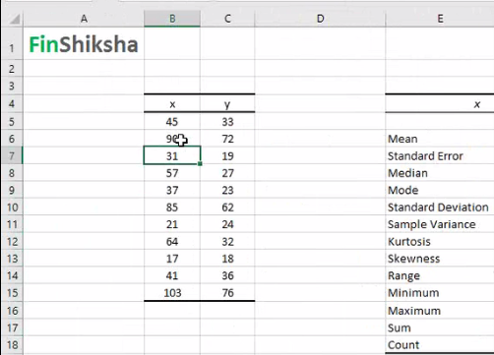
Calculate the Mean, Standard Deviation etc. mentioned in the below excel with the sample data:

Ex 2
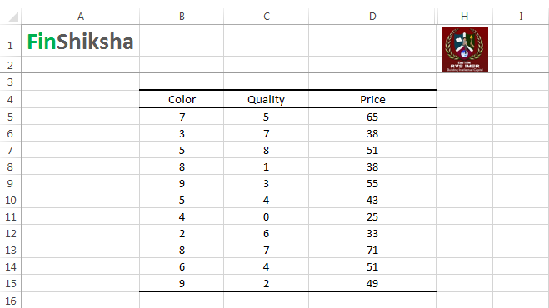
Calculate the Multiple Regression for the following data:

